Sheet1
> ModBear <- lme(LightPerYear~ InsidePre95Num, random=~1|CountyName, data=MyDataCOVBear) |  | > ModBobcat <- lme(LightPerYear~ InsidePre95Num, random=~1|CountyName, data=MyDataCOVBobcat) |  | > ModCoyote <- lme(LightPerYear~ InsidePre95Num, random=~1|CountyName, data=MyDataCOVCoyote) | > ModMoose <- lme(LightPerYear~ InsidePre95Num, random=~1|CountyName, data=MyDataCOVMoose) |  | > ModPuma <- lme(LightPerYear~ InsidePre95Num, random=~1|CountyName, data=MyDataCOVPuma)
> summary(ModBear) |  | > summary(ModBobcat) |  | > summary(ModCoyote) | > summary(ModMoose) |  | > summary(ModPuma)
Linear mixed-effects model fit by REML |  | Linear mixed-effects model fit by REML |  | Linear mixed-effects model fit by REML | Linear mixed-effects model fit by REML |  | Linear mixed-effects model fit by REML
Data: MyDataCOVBear |  | Data: MyDataCOVBobcat |  | Data: MyDataCOVCoyote | Data: MyDataCOVMoose |  | Data: MyDataCOVPuma
AIC BIC logLik |  | AIC BIC logLik |  | AIC BIC logLik | AIC BIC logLik |  | AIC BIC logLik
1487.534 1500.077 -739.7669 |  | 3578.921 3594.976 -1785.461 |  | 9051.66 9071.569 -4521.83 | 1889.073 1902.738 -940.5367 |  | 586.9188 595.9695 -289.4594

Random effects: |  | Random effects: |  | Random effects: | Random effects: |  | Random effects:
Formula: ~1 | CountyName |  | Formula: ~1 | CountyName |  | Formula: ~1 | CountyName | Formula: ~1 | CountyName |  | Formula: ~1 | CountyName
(Intercept) Residual |  | (Intercept) Residual |  | (Intercept) Residual | (Intercept) Residual |  | (Intercept) Residual
StdDev: 13.87692 17.36913 |  | StdDev: 17.50633 17.75208 |  | StdDev: 16.00013 15.65021 | StdDev: 13.01841 14.56557 |  | StdDev: 11.18885 12.40833

Fixed effects: LightPerYear ~ InsidePre95Num |  | Fixed effects: LightPerYear ~ InsidePre95Num |  | Fixed effects: LightPerYear ~ InsidePre95Num | Fixed effects: LightPerYear ~ InsidePre95Num |  | Fixed effects: LightPerYear ~ InsidePre95Num
Value Std.Error DF t-value p-value |  | Value Std.Error DF t-value p-value |  | Value Std.Error DF t-value p-value | Value Std.Error DF t-value p-value |  | Value Std.Error DF t-value p-value
(Intercept) 22.940876 5.290805 163 4.335990 0.0000 |  | (Intercept) 41.36278 4.450830 393 9.293274 0.0000 |  | (Intercept) 49.23716 3.025759 1042 16.272662 0 | (Intercept) 18.936911 4.062072 212 4.661885 0.0000 |  | (Intercept) 16.57959 4.539108 64 3.652609 5e-04
InsidePre95Num1 -2.286059 2.861177 163 -0.798993 0.4255 |  | InsidePre95Num1 -6.43977 2.160459 393 -2.980739 0.0031 |  | InsidePre95Num1 -11.14968 1.563155 1042 -7.132806 0 | InsidePre95Num1 -3.869302 2.324771 212 -1.664380 0.0975 |  | InsidePre95Num1 13.52895 3.901844 64 3.467321 9e-04
Correlation: |  | Correlation: |  | Correlation: | Correlation: |  | Correlation:
(Intr) |  | (Intr) |  | (Intr) | (Intr) |  | (Intr)
InsidePre95Num1 -0.242 |  | InsidePre95Num1 -0.172 |  | InsidePre95Num1 -0.197 | InsidePre95Num1 -0.344 |  | InsidePre95Num1 -0.274

Standardized Within-Group Residuals: |  | Standardized Within-Group Residuals: |  | Standardized Within-Group Residuals: | Standardized Within-Group Residuals: |  | Standardized Within-Group Residuals:
Min Q1 Med Q3 Max |  | Min Q1 Med Q3 Max |  | Min Q1 Med Q3 Max | Min Q1 Med Q3 Max |  | Min Q1 Med Q3 Max
-2.1301950 -0.4226039 -0.1223550 0.7667375 2.5136759 |  | -2.21527192 -0.77679109 0.01835619 0.52019500 2.71492250 |  | -3.1804665 -0.3749290 0.1326075 0.4145825 2.6449283 | -2.8605667 -0.2804463 -0.1143649 0.1461154 3.3455932 |  | -1.86120325 -0.40395302 -0.06185540 0.04372351 4.18973455

Number of Observations: 172 |  | Number of Observations: 411 |  | Number of Observations: 1074 | Number of Observations: 227 |  | Number of Observations: 73
Number of Groups: 8 |  | Number of Groups: 17 |  | Number of Groups: 31 | Number of Groups: 14 |  | Number of Groups: 8
 |  |  |  |  |  | -0.2043259326
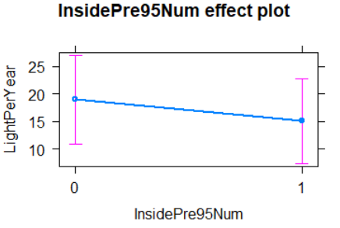
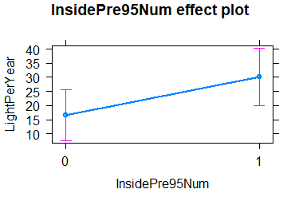
 | -0.09965383609
 |  |  | -0.1556899705

 |  |  |  |  |  |  |  | 1 | new areas (first sighted in 2020)
 |  |  |  |  |  |  |  | 0 | old areas (sighted before 2020)

